Sheet1
 |  | Document No. | Issue No. | Issue Date |  |  | Review and Replace Date |  | Authorised By
 |  | GFF170MC | 2 | 03.04.2020 |  |  | 08.09.2021 |  | Magda Shah
 |  | Document Title | SWEET POTATO FALAFEL 160g
Document amendments reason for change |  | Shelf life updated |  |  | Page 1 of 1 |  | Previous Issue Date | New Issue | Uncontrolled copy unless signed original

CVSFLB-R6TSP | SPAR |  | SWEET POTATO FALAFEL 160g | CHILLED
STEP 1 |  |  |  |  |  | STEP 2
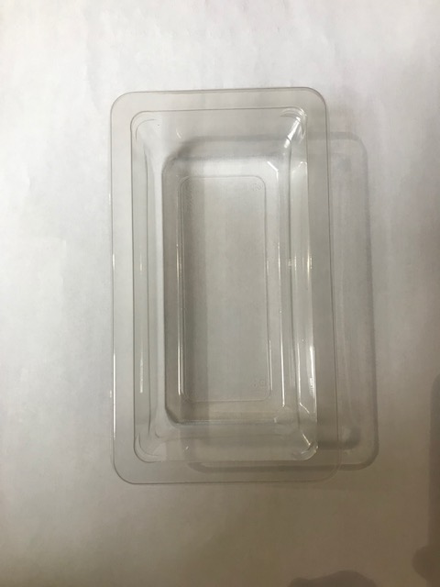 |  |  |  |  |  | 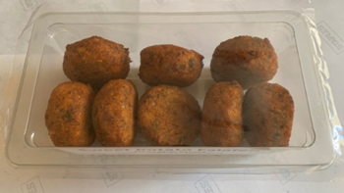

From Cook date

Tray Single Cavity Tray 149mm x 85mm x 43mm (PKLEE001-05) |  |  |  |  |  | 8 x 20g Sweet Potato Falafel |  |  | Total Weight: 160g
Film PKWRAA001-03 ( 380 MYLAR25RL52AF)
ALLERGY ALERT: SULPHITE

